Sheet1
APPENDIX 8. Internet Recruitment, Pilgrimage, and Fundraising Poster and Video Chart
ORGANIZATION | Liwa Abu Fadl al-Abbas (Syria) | Iranian Recruitment (for LAFA) | Iranian Recruitment (for LAFA) | Faylaq Waad al-Sadiq | Kataib Sayyid al-Shuhada | Popular Committee for the Mobilization to Defend Sayyida Zaynab | Popular Committee for the Mobilization to Defend Sayyida Zaynab / Badr's Quwet Shahid Muhammed Baqir Sadr Online Recruitment | Popular Committee for the Mobilization to Defend Sayyida Zaynab | Popular Committee for the Mobilization to Defend Sayyida Zaynab | Popular Committee for the Mobilization to Defend Sayyida Zaynab | Popular Committee for the Mobil-ization to Defend Sayyida Zaynab | Popular Committee for the Mobilization to Defend Sayyida Zaynab | Popular Committee for the Mobil-ization to Defend Sayyida Zaynab | Unknown | Unknown | Badr's Quwet Shahid Muhammad Baqir Sadr/Popular Committee for the Mobilization to Defend Sayyida Zaynab | Badr's Quwet Shahid Muhammad Baqir Sadr/Popular Committee for the Mobilization to Defend Sayyida Zaynab | Popular Committee for the Mobilization to Defend Sayyida Zaynab | Unknown | Asaib Ahl al-Haq | Rapid Reaction Unit | Rapid Reaction Unit | Rapid Reaction Unit | Badr's Quwet Shahid Muhammad Baqir Sadr | Badr's Quwet Shahid Muhammad Baqir Sadr | Popular Committee for the Mobilization to Defend Sayyida Zaynab | Asaib Ahl al-Haq | Unnamed - Imam Khamenei Cultural Complex (Badr) | Kataib Hezbollah | Kataib Hezbollah | Kataib Hezbollah | Asaib Ahl al-Haq | Liwa Dhualfiqar | Liwa Dhualfiqar | Kataib Hezbollah (Saraya al-Difa al-Shabi) | Unnamed - Imam Khamenei Cultural Complex (Badr) | Badr's Quwet Shahid Muhammad Baqir Sadr | Rapid Reaction Unit | Kataib Sayyid al-Shuhada | Kataib Sayyid al-Shuhada | Fatiyan Al-Aqeeda | Liwa Dhu-alfiqar | Unnamed | Badr's Quwet Shahid Muhammad Baqir Sadr | Liwa al-Hamad (Harakat Hezbollah al-Nujaba) | Kataib Hezbollah | Iranian Recruitment (for LAFA) | Kataib Hezbollah | Badr's Quwet Shahid Muhammad Baqir Sadr | Liwa al-Imam al-Husayn | Kataib Hezbollah | Kataib Hezbollah (Saraya al-Difa al-Shabi) | Rapid Reaction Unit | Saraya al-Aqeeda | Saraya al-Aqeeda | Saraya al-Aqeeda | Kataib Hezbollah | Kataib Sayyid al-Shuhada | Qaida Quwet Abu Fadl al-Abbas | Kataib Sayyid al-Shuhada | Liwa Sadiqeen | Unknown | Kataib Hezbollah | Kataib Hezbollah | Kataib Sayyid al-Shuhada | Liwa Abu Fadl al-Abbas (Syria) - Suqour al-Imam al-Mahdi | Kataib Hezbollah (Saraya al-Difa al-Shabi) | Harakat Hezbollah al-Nujaba | Kataib Hezbollah (Saraya al-Difa al-Shabi) | Harakat Hezbollah al-Nujaba | Kataib Sayyid al-Shuhada | Hezbollah al-Iraq
DATE | 25-Sep-12 | 5-May-13 | 5-May-13 to 13-May-13 | 1-Nov-13 | 3-Oct-13 to 21-Dec-13 | 14-Dec-13 | 17-Dec-13 | 27-Dec-13 | 29-Dec-13 | 1-Jan-14 | 6-Jan-14 | 10-Jan-14 | 27-Jan-14 | 8-Feb-14 | 14-Feb-14 | 17-Feb-14 | 19-Feb-14 | 21-Feb-14 | 1-Mar-14 | 6-Mar-14 | 10-Mar-14 | 11-Mar-14 | 16-Mar-14 | 27-Mar-14 | 3-Apr-14 to present | 6-Apr-14 | 16-Apr-14 | 21-Apr-14 | 22-Apr-14 | 22-Apr-14 | 23-Apr-14 | 28-Apr-14 to 12-May-14 | 9-May-14 | 9-May-14 | 11-May-14 | 12-May-14 to 14-May-14 | 15-May-14 | 19-May-14 | 20-May-14 | 21-May-14 | 25-May-14 | 30-May-14 | 1-Jun-14 | 5-Jun-14 | 11-Jun-14 | 14-Jun-14 | 16-Jun-14 | 16-Jun-14 | 27-Jun-14 | 27-Jun-14 | 28-Jun-14 | 2-Jul-14 | 9-Jul-14 | 12-Jul-14 | 12-Jul-14 | 13-Jul-14 | 19-Jul-14 | 19-Jul-14 | 25,26-Jul-14 | 26-Jul-14 | 28-Jul-14 | 31-Jul-14 | 1-Aug-14 | 2-Aug-14 | 2-Aug-14 | 23-Aug-14 | 27-Aug-14 | 5-Sep-14 | undated | 6-Sep-14 | 18-Sep-14 | 4-Oct-14
TYPE | Photo/Poster | Text | Photo/Poster | Photo/Text | Photo/Poster | Photo/Text | Photo/Poster | Photo/Poster | Photo/Poster | Photo/Poster | Photo/Poster | Photo/Poster | Photo/Poster | Photo/Poster | Photo/Poster | Photo/Poster | Photo/Poster | Photo/Poster | Photo/Text | Photo/Text | Video | Video | Video | Video | Photo/Poster | Photo/Poster | Photo/Text | Photo/Poster | Photo/Text | Photo/Text | Photo/Text | Photo/Text | Text | Photo/Text | Photo/Poster | Photo/Poster | Photo/Poster | Video | Photo/Poster | Photo/Poster | Photo/Text | Photo/Text | Photo/Poster | Photo/Text | Photo/Poster | Photo/Poster | Photo/Poster | Video | Photo/Poster | Photo/Poster | Photo/Poster | Photo/Poster | Photo/Text | Photo/Text | Photo/Text | Photo/Poster | Video | Photo/Poster | Photo/Poster | Photo/Poster | Photo/Poster | Photo/Text | Video | Video | Photo/Poster | Photo/Poster | Photo/Poster | Text | Photo/Poster | Text | Photo/Poster | Photo/Poster
PURPOSE | Recruitment | Recruitment | Recruitment | Recruitment | Recruitment | Recruitment | Recruitment | Recruitment | Recruitment | Recruitment | Recruitment | Recruitment | Recruitment | Pilgrimage | Pilgrimage | Recruitment | Recruitment | Recruitment | Pilgrimage | Recruitment | Recruitment | Recruitment | Recruitment | Recruitment | Recruitment | Recruitment | Facebook | Recruitment | Recruitment | Recruitment | Recruitment | Recruitment | Recruitment | Recruitment | Recruitment | Recruitment | Recruitment | Recruitment | Recruitment | Recruitment | Recruitment | Pilgrimage | Recruitment | Recruitment | Recruitment | Recruitment | Recruitment | Recruitment | Recruitment | Recruitment | Recruitment | Recruitment | Recruitment | Fundraising/Recruitment | Fundraising/Recruitment | Fundraising/Recruitment | Recruitment | Recruitment | Recruitment | Recruitment | Recruitment | Pilgrimage | Fundraising | Recruitment | Recruitment | Recruitment | Recruitment | Recruitment | Recruitment | Recruitment | Recruitment | Recruitment
PLATFORM | Facebook | Facebook | Facebook | Facebook | Facebook | Facebook | Facebook | Facebook | Facebook | Facebook | Facebook | Facebook | Facebook | Facebook | Facebook | Facebook | Facebook | Facebook | Facebook | Facebook | Facebook/YouTube | Facebook/YouTube | Facebook/YouTube | Facebook/YouTube | Facebook | DeviantArt | Syria | Facebook | Facebook | Google Plus | Facebook | Facebook | Facebook | Facebook | Facebook |  | Facebook | Facebook | Facebook | Facebook | Facebook | Facebook | Facebook | Facebook | Facebook | Facebook | Facebook | YouTube | Facebook | Facebook | Facebook | Facebook | Facebook | Forum/Facebook | Facebook | Facebook | Facebook/youTube | Facebook | Facebook | Facebook | Facebook | Facebook | YouTube | YouTube | Facebook | Facebook | Facebook | Facebook | Facebook | Twitter | Facebook | Facebook
FRONT | Syria | Syria | Syria | Syria | Syria | Syria | Syria | Syria | Syria | Syria | Syria | Syria | Syria | Syria | Syria | Syria | Syria | Syria | Syria | Syria | Syria | Syria | Syria | Syria |  | Syria |  | Syria | Iraq | Iraq | Iraq | Both | Iraq | Iraq | Iraq | Syria | Syria | Both | Syria | Syria | Iraq | Syria | Syria | Iraq | Iraq | Iraq | Iraq | Iraq | Iraq | Both, primarily Iraq | Iraq | Iraq | Iraq | Iraq | Iraq | Iraq | Iraq | Syria | Iraq | Syria | Iraq | Syria | Iraq | Iraq | Syria | Both | Iraq | Iraq | Iraq | Iraq | Syria | Iraq
IMAGE |  | 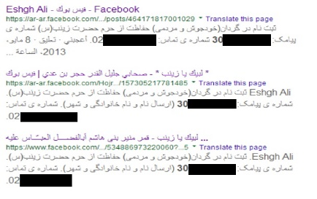 |  |  |  |  |  | 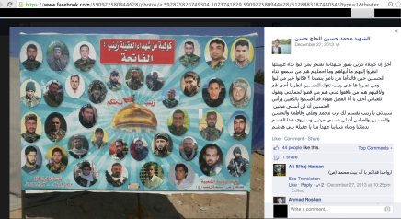 |  |  |  | 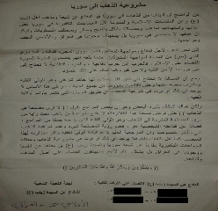 |  | 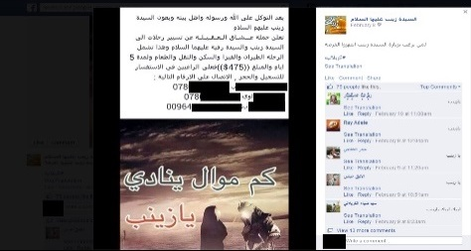 | 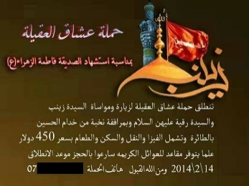 |  | 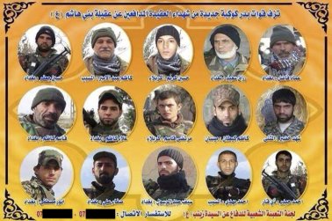 | 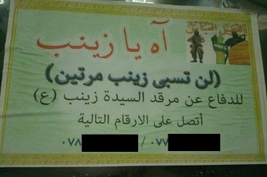 | 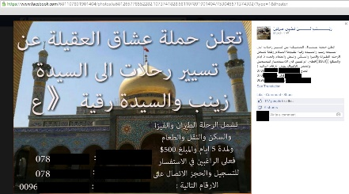 | 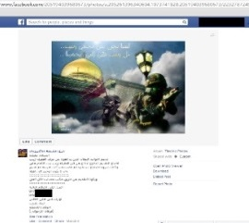 | 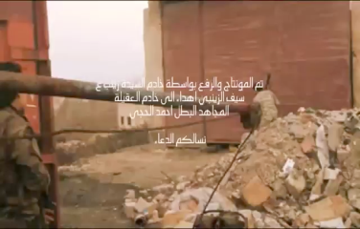 |  |  |  |  |  |  |  |  |  |  |  |  |  |  |  |  |  |  | 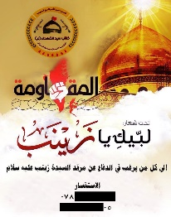 |  |  |  |  |  |  |  |  |  |  |  |  | 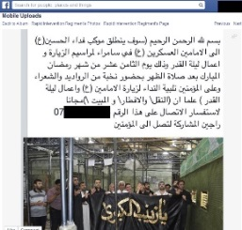 | 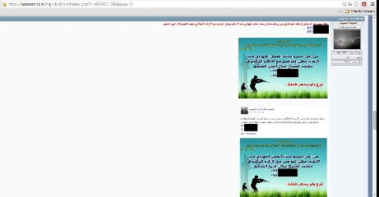 | 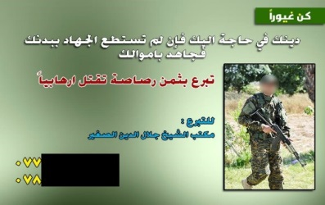 | 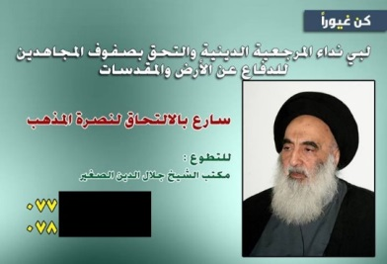 |  |  | 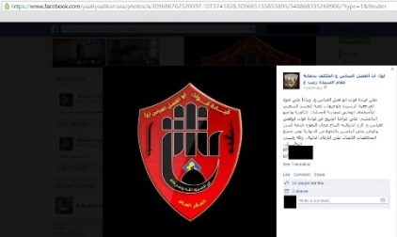 |  |  |  |  |  |  |  |  | 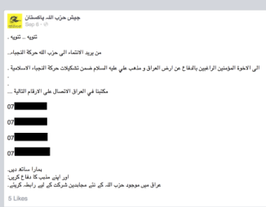 | 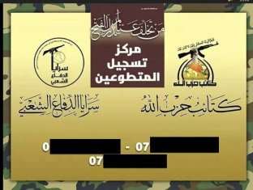 | 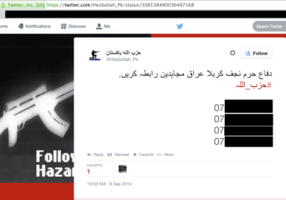 | 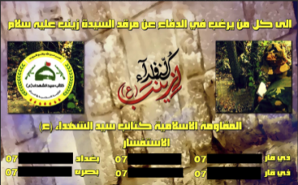
NOTES |  |  |  | Recuitment was posted on a Facebook profile. The post included details about how to go about getting recruited and that if a caller did not hear back in 3 days, they would not be accepted. |  | Group issued a statement clarifying its position on Syria along with 4 phone numbers. Numbers were used for recruitment. |  | Shown on Lebanese Hezbollah martyrdom page. |  |  |  |  |  |  |  |  |  |  |  | Same number used for Pop. Committee for Mobilization to Defend Sayyida Zaynab |  |  |  |  |  |  |  | Targeted for Wasit, Iraq recruitment. |  |  |  |  | The numbers were left in the comments section of a popular Facebook page on an image. |  |  | Targeted for Wasit, Iraq recruitment. The number was also used as a contact line for the Cultural Complex. |  |  |  |  |  | Posted on Liwa Dhulfiqar related page. |  |  |  | Circulated image was a photograph taken of recruitment information flashed on Al-Etejah TV. | Recruits were sent to a "Liwa Abu Fadl al-Abbas" recruiting line for Liwa Fatimeyon. |  |  |  |  |  |  |  |  |  | Listed bank/routing numbers on TV channel. Broadcast was made into clip form and circulated. |  | Recruitment targeted Al Diwaniyah for recruits. |  |  | Posted to Liwa Dhulfiqar page. |  |  |  | Poster was made for LAFA-Syria's Iraq-based militia. |  | Aimed at Pakistani recruits. |  | Aimed at Pakistani recruits. |  | The numbers were circulated by an account and on accounts related to Liwa al-Dhulfiqar

